Sewing Instruction
*S# F/HTS32100028343 Sewing Instruction
8. Construction w/ sketch | 10. Body & Trim matching by Color

*DOTCOM EXCLUSIVE STYLE
*STRIPE MATCHING : PLACKET & BODY MATCHING, SIDE SEAM, SLEEVES MIRRORING.
*3/8" height BACK NECK TAPE
ALL ATTACHMENT SEAM
- 2 NEEDLE 4 THREAD OVERLOCK (IS0 514)
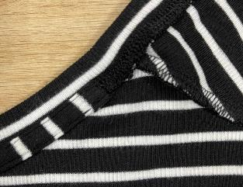
BACK NECK TAPE - SELF FABRIC VERTICAL CUTTING - - - 3/8" BACK NECK SELF FABRIC TAPE (position : HPS~HPS)
- 3/8" height self fabric along the back neckline with 1/16"gg edge CHAIN stitch (ISO 401), clean finish as pic.
- One stitch is visible from the outside.
- NO Horizontal lock stitch tacking at side
 |  | COLOR | HEAT SEAL COLOR | THREAD | THREAD COLOR | BUTTON | INTERLINING
 | TS13100057004L | BLACK SOOT | METALLIC SILVER | Poly spun 40S/2 : upper thread Poly texture 150D: looper thread | DTM | BROWN FAUX HORN 18L/4H, 3pcs & 1pc spare | BLACK
 |  | PURPLE OXFORD | METALLIC SILVER |  |  |  | WHITE
 |  | GREEN MIDNIGHT | METALLIC SILVER |  |  |  | WHITE
 |  | LIGHT GREY HEATHER | BLUE HALO |  |  |  | WHITE

*Main label label: Attach at center back neck from 1/2" from bottom edge of self fabric tape (check ref picture)
1/2"
 |  | BLACK SOOT/VIVID WHITE | BLUE HALO |  |  |  | BLACK
 |  | DARK NAVY/FRUIT KHAKI | BLUE HALO |  |  |  | WHITE
 |  | PINK CAMELLIA/LT GREY HEATHER | BLUE HALO |  |  |  | WHITE
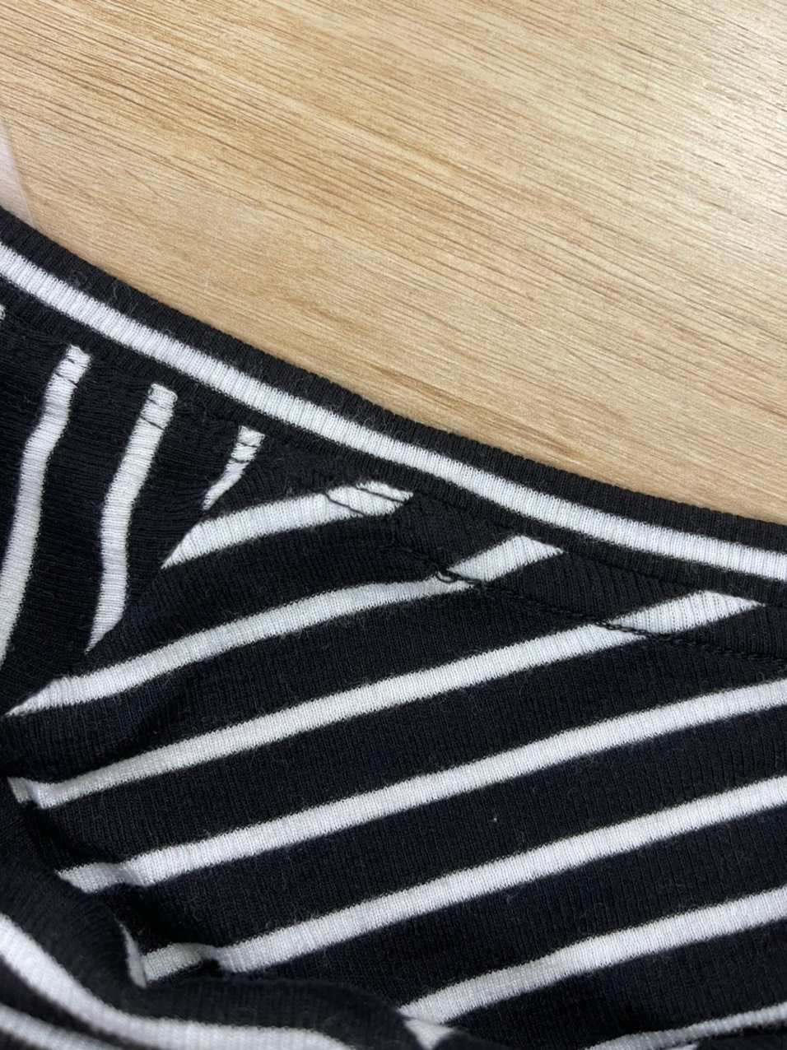
<NECK BAND>
- 1/2" HEIGHT 2-LAYER INSERT NECK BAND WITH 2N 4T OVERLOCK.
- 1/8" GG 2 NEEDLE BOTTOM COVERSTITCH MARGIN TO BODY SIDE ALONG TO BACK NK LINE ~1" FROM SHOULDER SEAM AS BELOW PIC . (Margin 1/16” TOWARDS THE BODY SIDE)
1"
 | 11. Watch out!!

 | 1. Cutting | 1. In advance to start production, please check and reconfirm the yardage consumption.
 |  | 2. Unroll the fabric for at least 48 hours and check fabric data before cutting. Make sure fabric has correct relaxation before spreading and cutting to make sure to avoid streching issue .
 |  | 3. At least 10% of the fabric should be inspected Within 7 days from fabric ETA date.(Please use report format from HQ QC team and proceed lab test constantly.)
 |  | 4. Before start cutting, any issues from fabric inspection or testing must be informed to HQ / branch office QC
 |  | 5. The standard of garment shrinkage is -8%/+2% . (After receiving the fabric, must do fabric test to avoid shrinkage problem.)
 |  | 6. The weight standard is 200gsm.

<MOBILON TAPE>
Attach 1/4" mobilon tape with 2N4T overlock .
-Shoulder seam: #0608
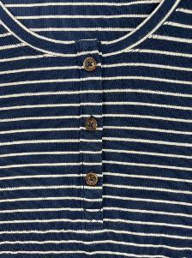
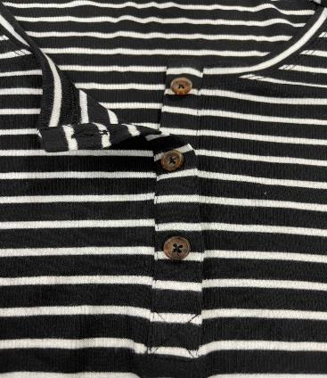
<BUTTON ( 3 EA )>
- PLEASE USE DTM BODY THREAD to attach the button for all combos
-1ST BUTTON PLACEMENT: 3/4" BELOW FROM PLACKET EDGE
-3RD BUTTON PLACEMENT: 1 7/8" ABOVE FROM PLACKET EDGE
-Be attached at wearer's left
side
- Button spacing must be 2"
(measure from center to center
of button)
- Please double check with
the pattern.
- When attaching the buttons,
please make some room (height)
for the placket thickness.
- Please make sure to follow as
below pictures for attachment way.
<BUTTONHOLE (3 EA)>
- PLEASE USE DTM BODY THREAD for BUTTON HOLE
- Be attached at wearer's right side and vertical placed 1/2" height
- Standard of buttonhole passed time should be 24-26 lines.
2"
* Right side
*Left side
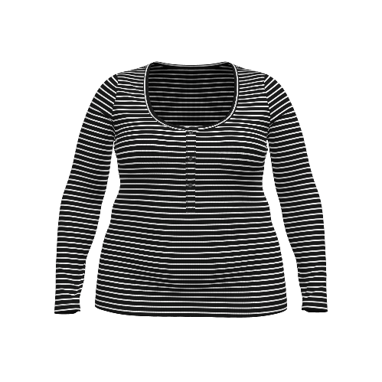
 | 2. Sewing | 1. All procedure should be based on the approved sample
 |  | 2. Please keep the appropriate SPI at bottom hem/sweep. If not may cause the turnel because of unsuitable SPI. Overall stitch tension should be adjusted properly to avoid ropping.
 |  | 3. Make sure to have correct position of buttons and buttonholes.
 |  | 4.CF placket needs to have straight shape and be cautious not to be wavy at edge line.
 |  | 5.CF bottom box stitch should be even and symmetrical shape.
 |  | 6. Make sure to use correct neck trim length so that its edge is not stretched out.
 |  | 7.Ensure to have symmetrical neck shape during DNTS is stitched down.
 |  | 8.Keep same SPI and stitch tension not to be tight or loose.
 |  | 9.The interlining at bottom of placket needs to cut and attached well with correct size.

<SLEEVES>
- 1"TURNBACK WITH 1/8" GG 2 NEEDLE BOTTOM COVERSTITCH
 | 3. Ironing | 1. Pls do not leave press mark after ironing (specially for dark color)
 |  | 2. Please be careful of press mark when attaching heat transfer label.
 | 4. Packing | Folding Packing (Dotcom Order)
 |  | Please pack to die off humidity after ironing considering wet weather
 | 5. Labelling | Please use correct labels at right placement.
 |  | After bonding H/T label on garment, label should be stable when stretching garment.
 |  | Please keep the bonding condition consistently for heat seal labelling

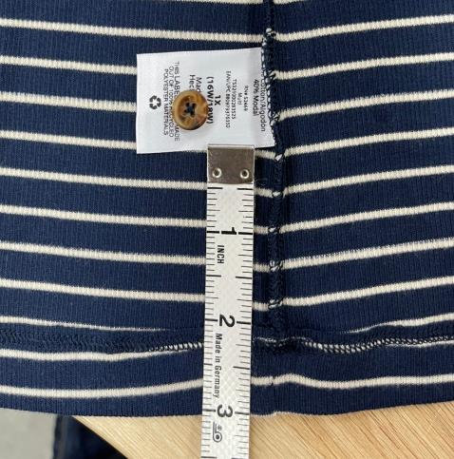
*Care label/ T-label: Attach at the wearer's left side seam, 3"above from slit point.
Attached 1pc spare button in care label as picture.
3"
<BOTTOM HEM>
-7/8" TURNBACK WITH 1/8" GG 2 NEEDLE BOTTOM COVERSTITCH

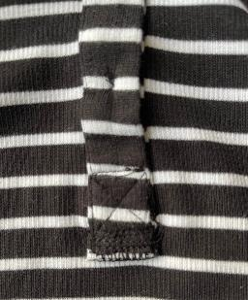
<PLACKET>
PROCEED PLACKET AFTER NECK BAND PROCESS
i) 3/4" WIDTH PLACKET WITH FULL INTERLINING #9001, WEARER'S RIGHT SIDE IS ABOVE.
ii) End of plackets must be joined neatly by 2 NEEDLE 4 THREAD
OVEREDGE (ISO 514) and clean finished at garment inside
iii) Add "X" stitch to bottom placket and then SN (ISO 301) tacking at end of plackets towards body side (1/16" margin)
iv) Add 1/16" margin lockstitch at each edge of the placket.

CAUTION:
1/ Make sure of the usage of the front facing of the 1x1 rib fabric.
2/ During spearding, make sure it is not too stretched out in widthwise/ lengthwise. Spreading needs to be natural.
3/ Pre-check pilling and shrinkage of the fabric.
4/ Make sure the matching is followed as standard. (Side seam matching/ Body&Placket matching/ Sleeve mirror matching.)
5/ Be aware on the skip stitch or hole defects during sewing. Especially on placket/ neck part.
6/ Back neck tape should be cutting in vertical way and stripe line should be not too slated. And also be aware on skip stitch. lossen stitch,
7/ Make sure of the stitch tension is appropriate at bottom and sleeve hem.
8/ Neck shape must be symmetrical, avoid stretch out and puckering. Follow as the pattern shape.
9/ Manage and control shading between body and neck band/ placket.
10/ The bottom placket should have interlining to reinforce it against the hole.
11/ Underplacket must not shown out when fasten buttons.
12/ Sleeve length must be balance L/R
13/ Button hole must have correct SPI to look clean and neat and prevent interlining to come out. Button sew should have space gap of 1/16.
Follow correct placement
14/ Make sure the button hole lenght is appropriate to open/close the button.
15/ Placket at right and left length should be same.
16/ Make sure placket edge is not curved.
17/ Make sure the interlining size of the bottom of the placket is has only 3/8” tol from right side picture.
18/ Make sure there is no gapping at bottom of the placket, the rib valley needs to be stable and also aware on hole defects on bottom of the placket.
19/ Heat seal needs to be durable in 1x1 rib. And also the placement should be in the middle and not slated.
20/ Make sure there is no legibility issue on stripe combos of the heat seal. (We use halo.)
Please note to avoid placket lenght difference and loosen thread at back neck.

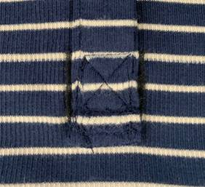

 | 12. Safety

 |  | 1. ALL PRODUCTION SHOULD BE PASSED THROUGH NEEDLE INSPECTION MACHINE.
9. Spec Description

PLEASE SEE SPEC SHEET

HTL Condition
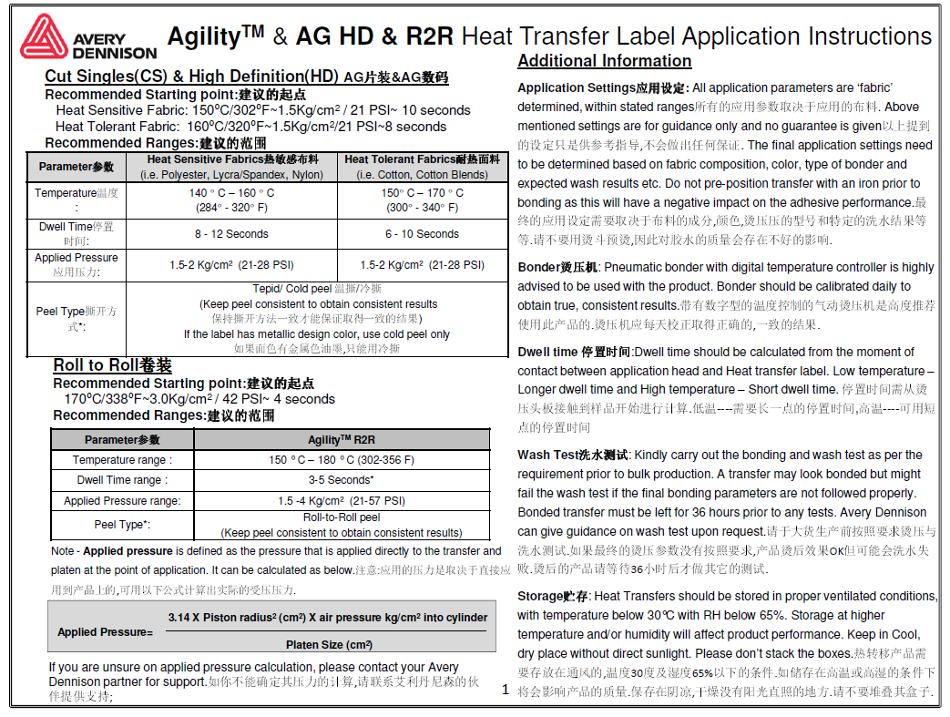
HTL Condition

